Q4.
4. Create a bar chart in Excel to visualize the distribution of employee ages.

Distribution of Employee Ages
Age | Sum of EmployeeCount
18 | 24
19 | 27
20 | 33
21 | 39
22 | 48
23 | 42
24 | 78
25 | 78
26 | 117
27 | 144
28 | 144
29 | 204
30 | 180
31 | 207
32 | 183
33 | 174
34 | 231
35 | 234
36 | 207
37 | 150
38 | 174
39 | 126
40 | 171
41 | 120
42 | 138
43 | 96
44 | 99
45 | 123
46 | 99
47 | 72
48 | 57
49 | 72
50 | 90
51 | 57
52 | 54
53 | 57
54 | 54
55 | 66
56 | 42
57 | 12
58 | 42
59 | 30
60 | 15
Grand Total | 4410

Q11.
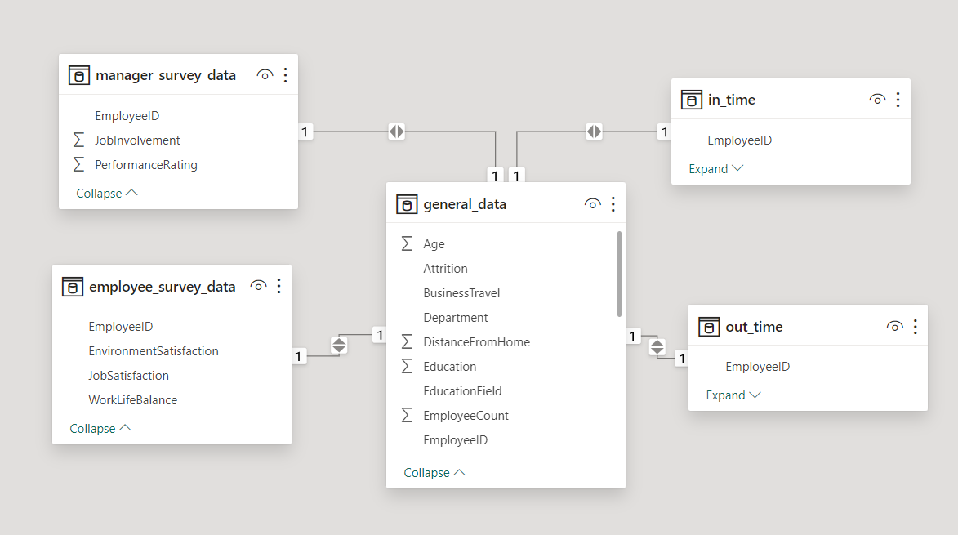
11. Describe how you would create a star schema for this dataset, explaining the benefits of doing so.

A star schema is a multi-dimensional data model used to organize data in a database so that it is easy to understand and analyze. Star schemas can be applied to data warehouses, databases, data marts, and other tools. The star schema design is optimized for querying large data sets.

A fact table sits at the center of a star schema database, and each star schema database only has a single fact table. The fact table contains the specific measurable (or quantifiable) primary data to be analyzed.
Dimension tables store supporting information to the fact table. Each star schema database has at least one dimension table, but will often have many. Each dimension table will relate to a column in the fact table with a dimension value, and will store additional information about that value.

Here, fact table is General Data Table and dimesion tables are Manager Survey Data, Manager Survey Data, In_Time Data and Out_Time. Tables are connected through Employee ID.

